Sheet1
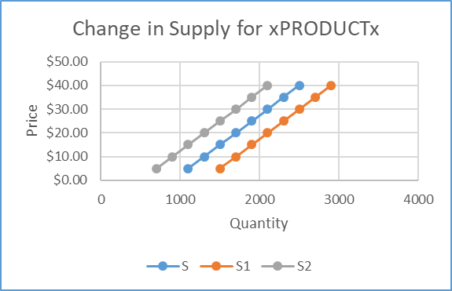
SAME NUMBERS IN DOLLARS

Change in Supply for Xxxxxx
 | S | S1 | S2
1.05 Change in Supply Graph in Excel
Q | S | Q1 | S1 | Q2 | S2

▲
1. Enter the QUANTITY numbers from the random number generator into this column.
▲
2. Enter the PRICE numbers from the random
number generator into this column.
▲
4. Add a constant amount each of PRICE numbers and enter in column Q1
▲
3. Copy the PRICE numbers from column D and paste them into columns D1 and D2.
▲
5. Subtract constant amount each of PRICE numbers and enter in column Q1
▲
3. Paste PRICE numbers.

SAMPLE

